1. Order Information
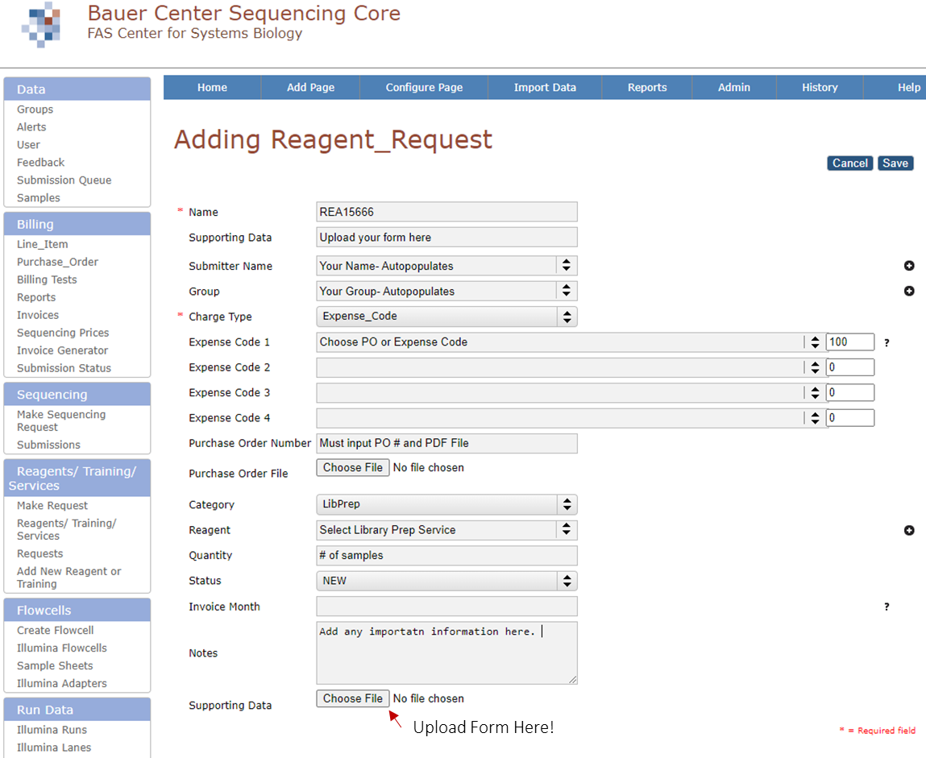
 | Harvard University Bauer Sequencing Core |  |  | Request a minilims account |  |  | Updated: 08.01.2024 | fy25
 | Long Read DNA Library Prep & Sequencing Service: Order Information |  |  | Must submit your Library Prep request and Sequencing submission with this form attached.
 | Red boxes are dropdown menus. Select the cell, the arrow, and the response.
 | Type information into these boxes
 | Researcher Information
Line | There are 6 questions you have not answered
1 | First Name:
2 | Last Name:
3 | Lab (PI Name):
4 | Reagent ID: REA12345
5 | Organism/Species:
6 | # of Libraries Submitted:
7 | Return Samples/Libraries? | No- Discard 3 months after sequencing run | Need an estimate?
 | Library Preparation Information
 | There are 4 questions you have not answered
8 | Nanopore or PacBio:
9 | LRS Library Preparation Assay:
10 | Pre-Library Prep QC:
11 | Barcoded?:
 | PacBio: Short Read Eliminator?:
12 | Library Preparation Notes:
 | Sequencing Information
 | There are 1 questions you have not answered
13 | Total number of Flowcells or SMRTcells (default qty.1):
14 | Sequencing Notes:
 | PacBio Only
 | There are 0 questions you have not answered
15 | Include Kinetics?: | No (Default)
 | Nanopore Only
 | There are 2 questions you have not answered
17 | Include Modified Bases?: | No (Default)
18 | Sequencing Accuracy:
 | Loading Concentration:
 | Run Time: Default is End of Life (For Custom Time Pick Hours 1-72) | End of Life
19 | # of Sequencing ReLoads Default is 1 (Pick number 1-3) | 1
 | Next: Complete Sample Information on 2nd Tab

 | Sequencing Speed
 | Fast (MinION only)
 | High Accuracy
 | Super High Accuracy

 |  | Barcoded?
 | Select Library Prep Assay | Yes
 | PacBio SMRTbell 3.0 (WGS, Amplicon, etc) | No
 | PacBio IsoSeq (cDNA Input) | I don't know |  | Instrument |  | Application
 | PacBio Kinnex Single-Cell (5') | Kinetics/Modified Bases |  | Revio (Default) |  | Human WGS
 | PacBio Kinnex Single-Cell (3') | No (Default) |  | Sequel IIe |  | Microbial Assembly
 | PacBio Kinnex Full-Length (cDNA Input) | Yes |  |  |  | Other WGS
 | Nanopore LSK114 |  |  |  |  | IsoSeq
 | Nanopore Native Barcoding 96 | PacBio or ONT |  | FlowCell Type |  | MAS-Seq Single Cell
 | Nanopore Rapid Barcoding 96 | PacBio SMRT Cell |  | RNA |  | Kinnex Single Cell (3')
 | Nanopore Rapid Sequencing V14 | ONT PromethION Sequencing |  | R10 |  | Kinnex Single Cell (5')
 | Other | ONT MinION Sequencing |  | MinIon |  | Kinnex Full-Length RNA
 |  |  |  |  |  | Adeno-Associated Virus
 | Sequencing |  |  |  |  | Full Length 16S rRNA
 | PacBio SMRT Cell | QC |  |  |  | Kinnex 16S rRNA
 | PromethION Sequencing | Femto Pulse |  |  |  | Shotgun Metagenomics
 |  | TapeStation |  |  |  | < 3kb Amplicon
 | Loading Concentration | None |  |  | ReLoads | > 3kb Amplicon
 | 50 fmol (Default) |  |  |  | 1 | Target Enrichment
 | 20 fmol |  |  |  | 2
 | 100 fmol |  |  |  | 3
 | Other (Please specify in notes)
 |  |  |  |  | Run Time
 |  |  |  |  | End of Life

 | Select One
 | No- Discard 3 months after sequencing run
 | Yes- I will pick up samples or they will be discarded 3 months after sequencing run

